Sheet1
4 Point Rigging Calculator With Spreader Bar

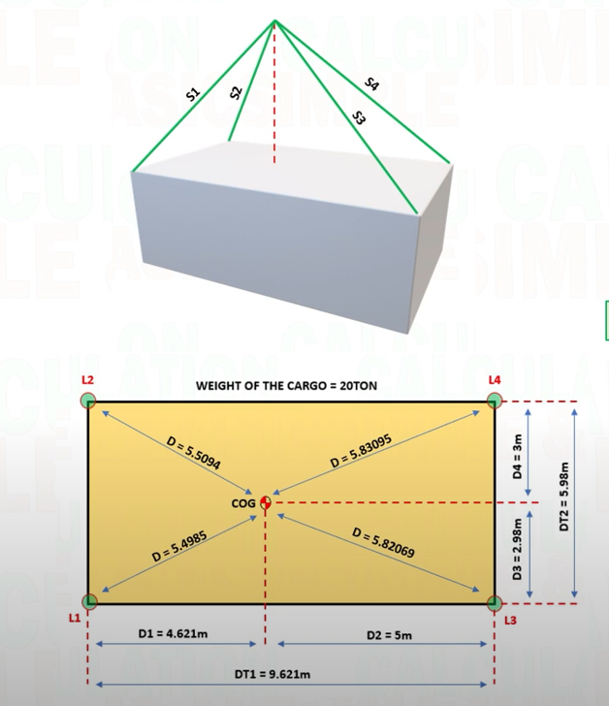
INPUT
COG(CENTER OF GRAVITY)
W (WEIGHT OF CARGO) | 30 | t
D1 (DISTANCE OF COG FROM LIFTING POINT 1) | 4 | m
D2 (DISTANCE OF COG FROM LIFTING POINT 3) | 4.5 | m
D3 (DISTANCE OF COG FROM LIFTING POINT 1 & 3) | 2 | m
D4 (DISTANCE OF COG FROM LIFTING POINT 2 & 4) | 1.5 | m
DT1 (TOTAL DISTANCE FOR D1 & D3) | 8.5 | m
DT2 (TOTAL DISTANCE FOR D3 & D4) | 3.5 | m
S1 (SLING LENGTH L1 BELOW SPREADER BAR) | 2 | m
S2 (SLING LENGTH L2 ABOVE SPREADER BAR) | 6 | m
S3 (SLING LENGTH L3 ABOVE SPREADER BAR) | 6.5 | m
S W (SPREADER BAR WEIGHT) | 2 | t
RW1 RIGGING EQUIPMENT (SLING, SHACKLE)ESTIMATE WEIGHT | 0.2 | t
RW2 RIGGING ESTIMATE WEIGHT | 0.2 | t
RW3 RIGGING ESTIMATE WEIGHT | 0.165 | t
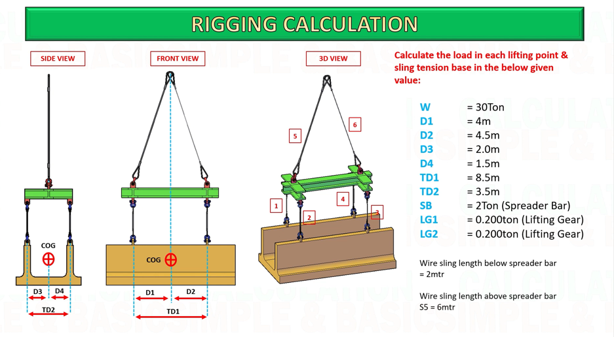
RW4 RIGGING ESTIMATE WEIGHT | 0.165 | t
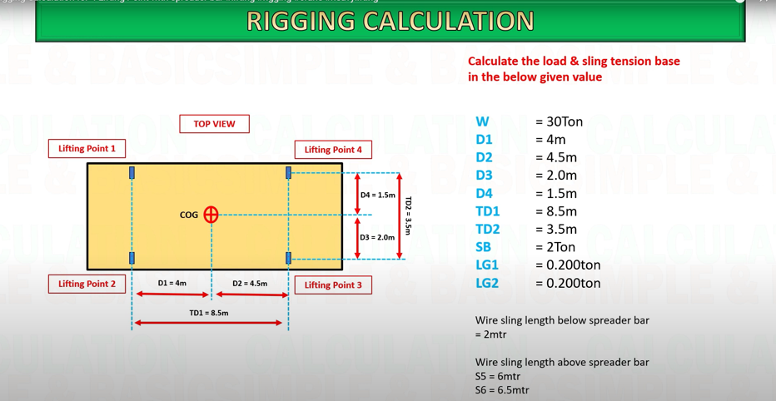

LOAD AT L1 (LIFTING POINT1) | 9.0756302521 | t
LOAD AT L2 (LIFTING POINT1) | 6.8067226891 | t
LOAD AT L3 (LIFTING POINT3) | 6.0504201681 | t
LOAD AT L4 (LIFTING POINT4) | 8.0672268908 | t

TENSION AT SLING1 | 9.0756302521 | t
TENSION AT SLING2 | 6.8067226891 | t
TENSION AT SLING3 | 6.0504201681 | t
TENSION AT SLING4 | 8.0672268908 | t

HEIGHT OF SLING H1 | 4.472135955 | m
HEIGHT OF SLING H2 | 4.6904157598 | m

WEIGHT OF SPREADER BAR AT L1 & L2 | 1.0588235294 | t
WEIGHT OF SPREADER BAR AT L3 & L4 | 0.94117647059 | t

TW1 (TOTAL LOAD AT L1 & L2) | 17.141176471 | t
TW1 (TOTAL LOAD AT L1 & L2) | 15.258823529 | t

TENSION AT SLING 5 | 22.997301482 | t
TENSION AT SLING 6 | 21.145748697 | t

